Sheet1
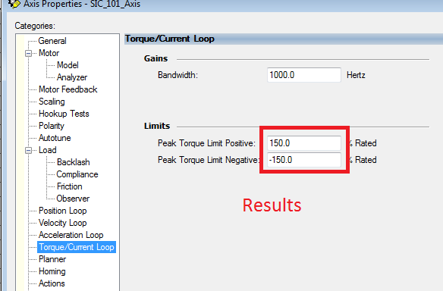
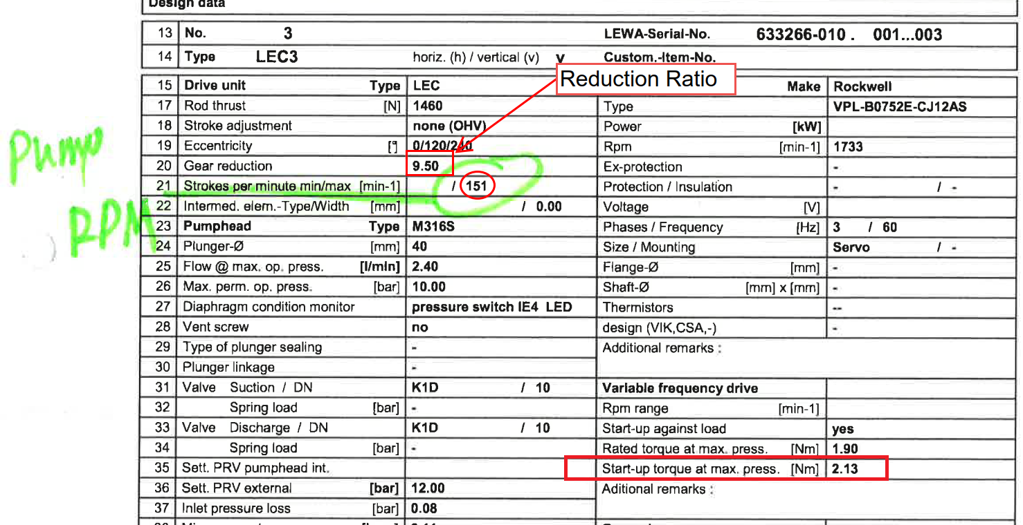
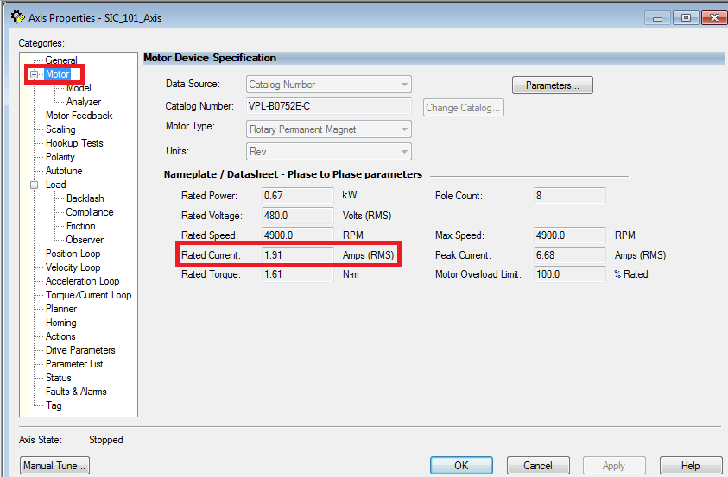
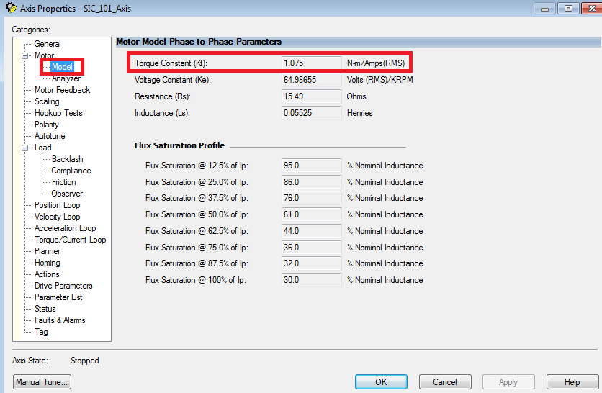
Rated Current [Servo] | 1.91 | Amp | Also on Axis Configuration Motor Nameplate section
Torque Constant [Servo] | 1.075 | Kt | Also on Axis Configuration Motor Model section
Torque Limit [Data Sheet] | 2.13 | N-m | 4.98 N-m. Pump Datasheet (start-up torque at max. press)

Peak Torque Limit | 103.74%

